OrgChart
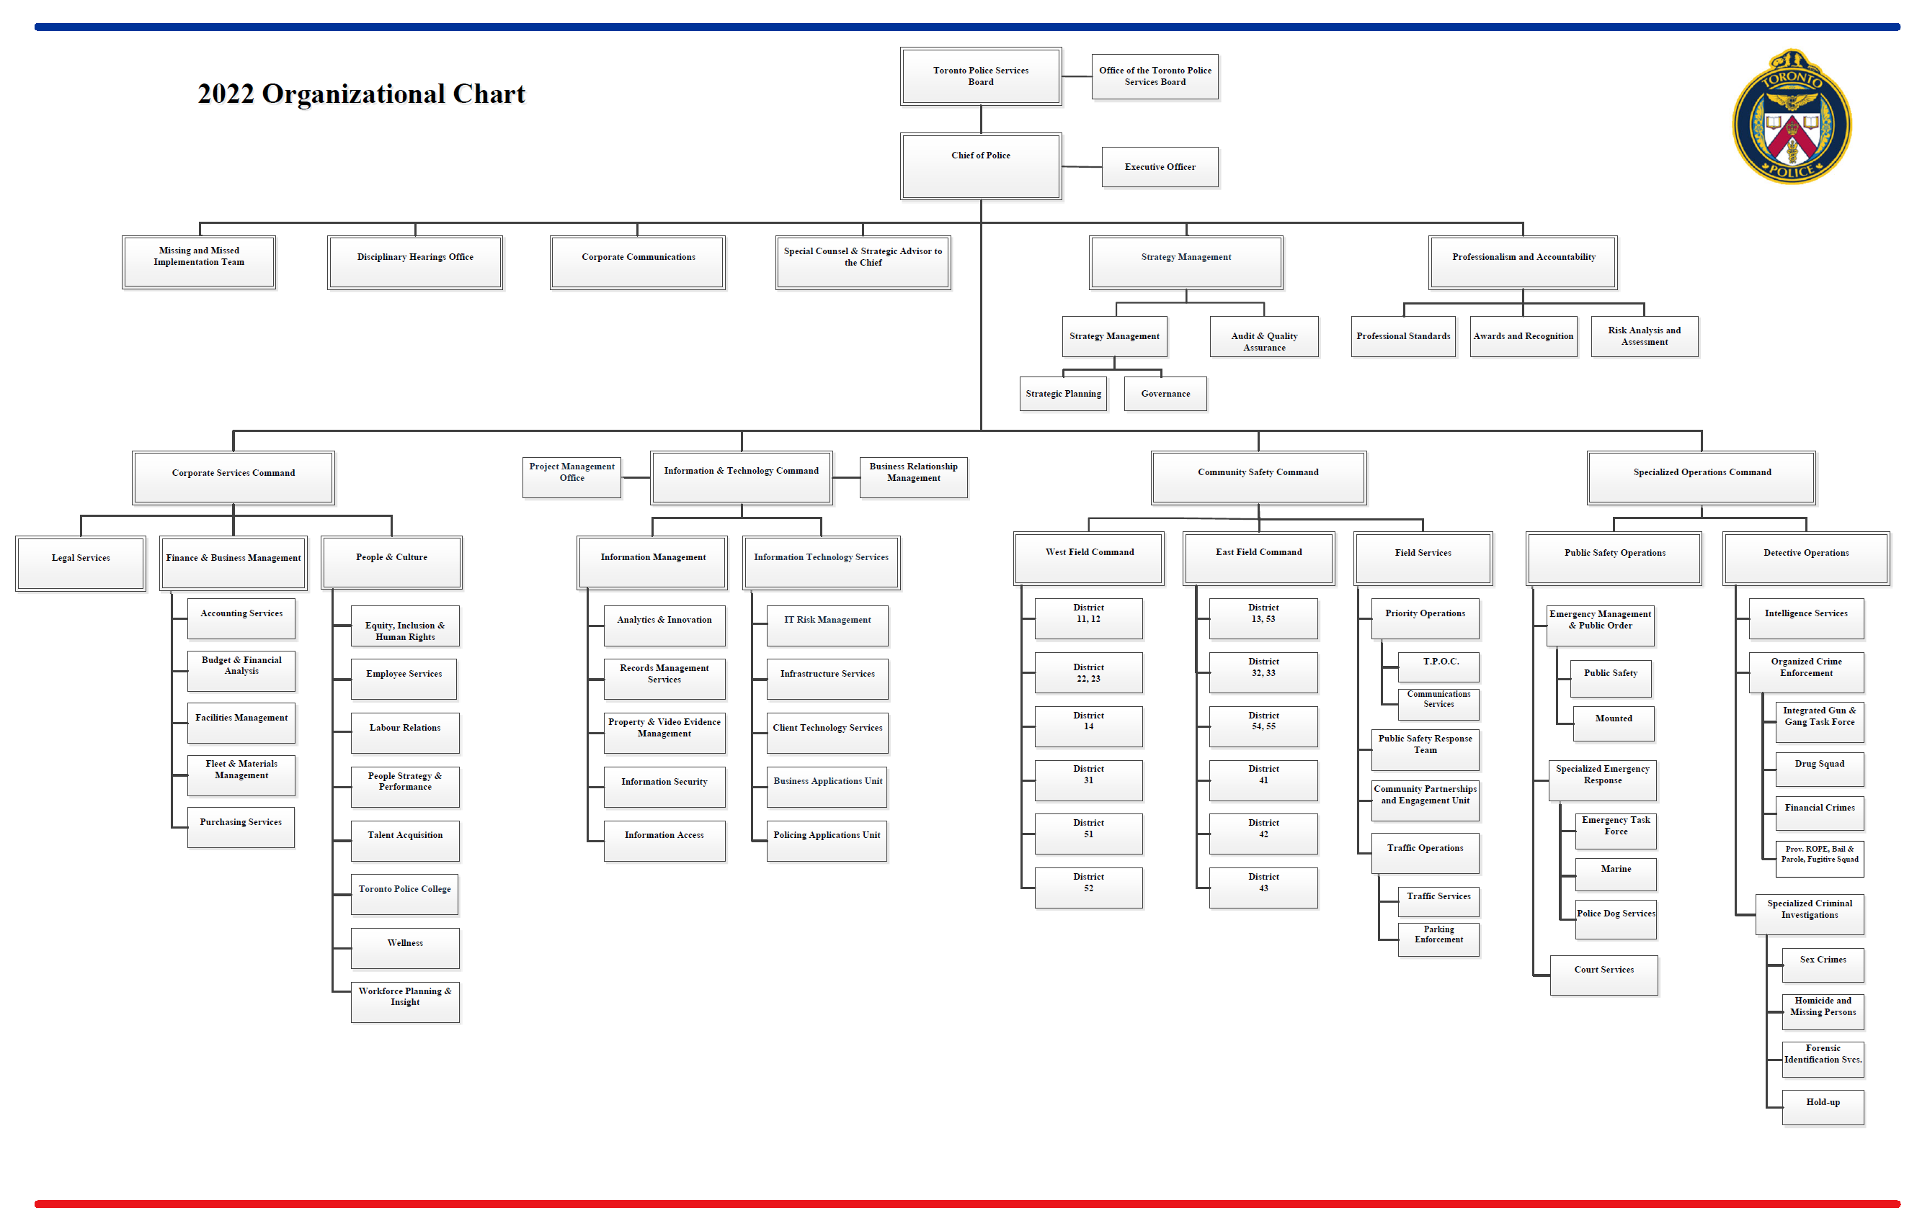

- Included

- Not Included

