OrgChart
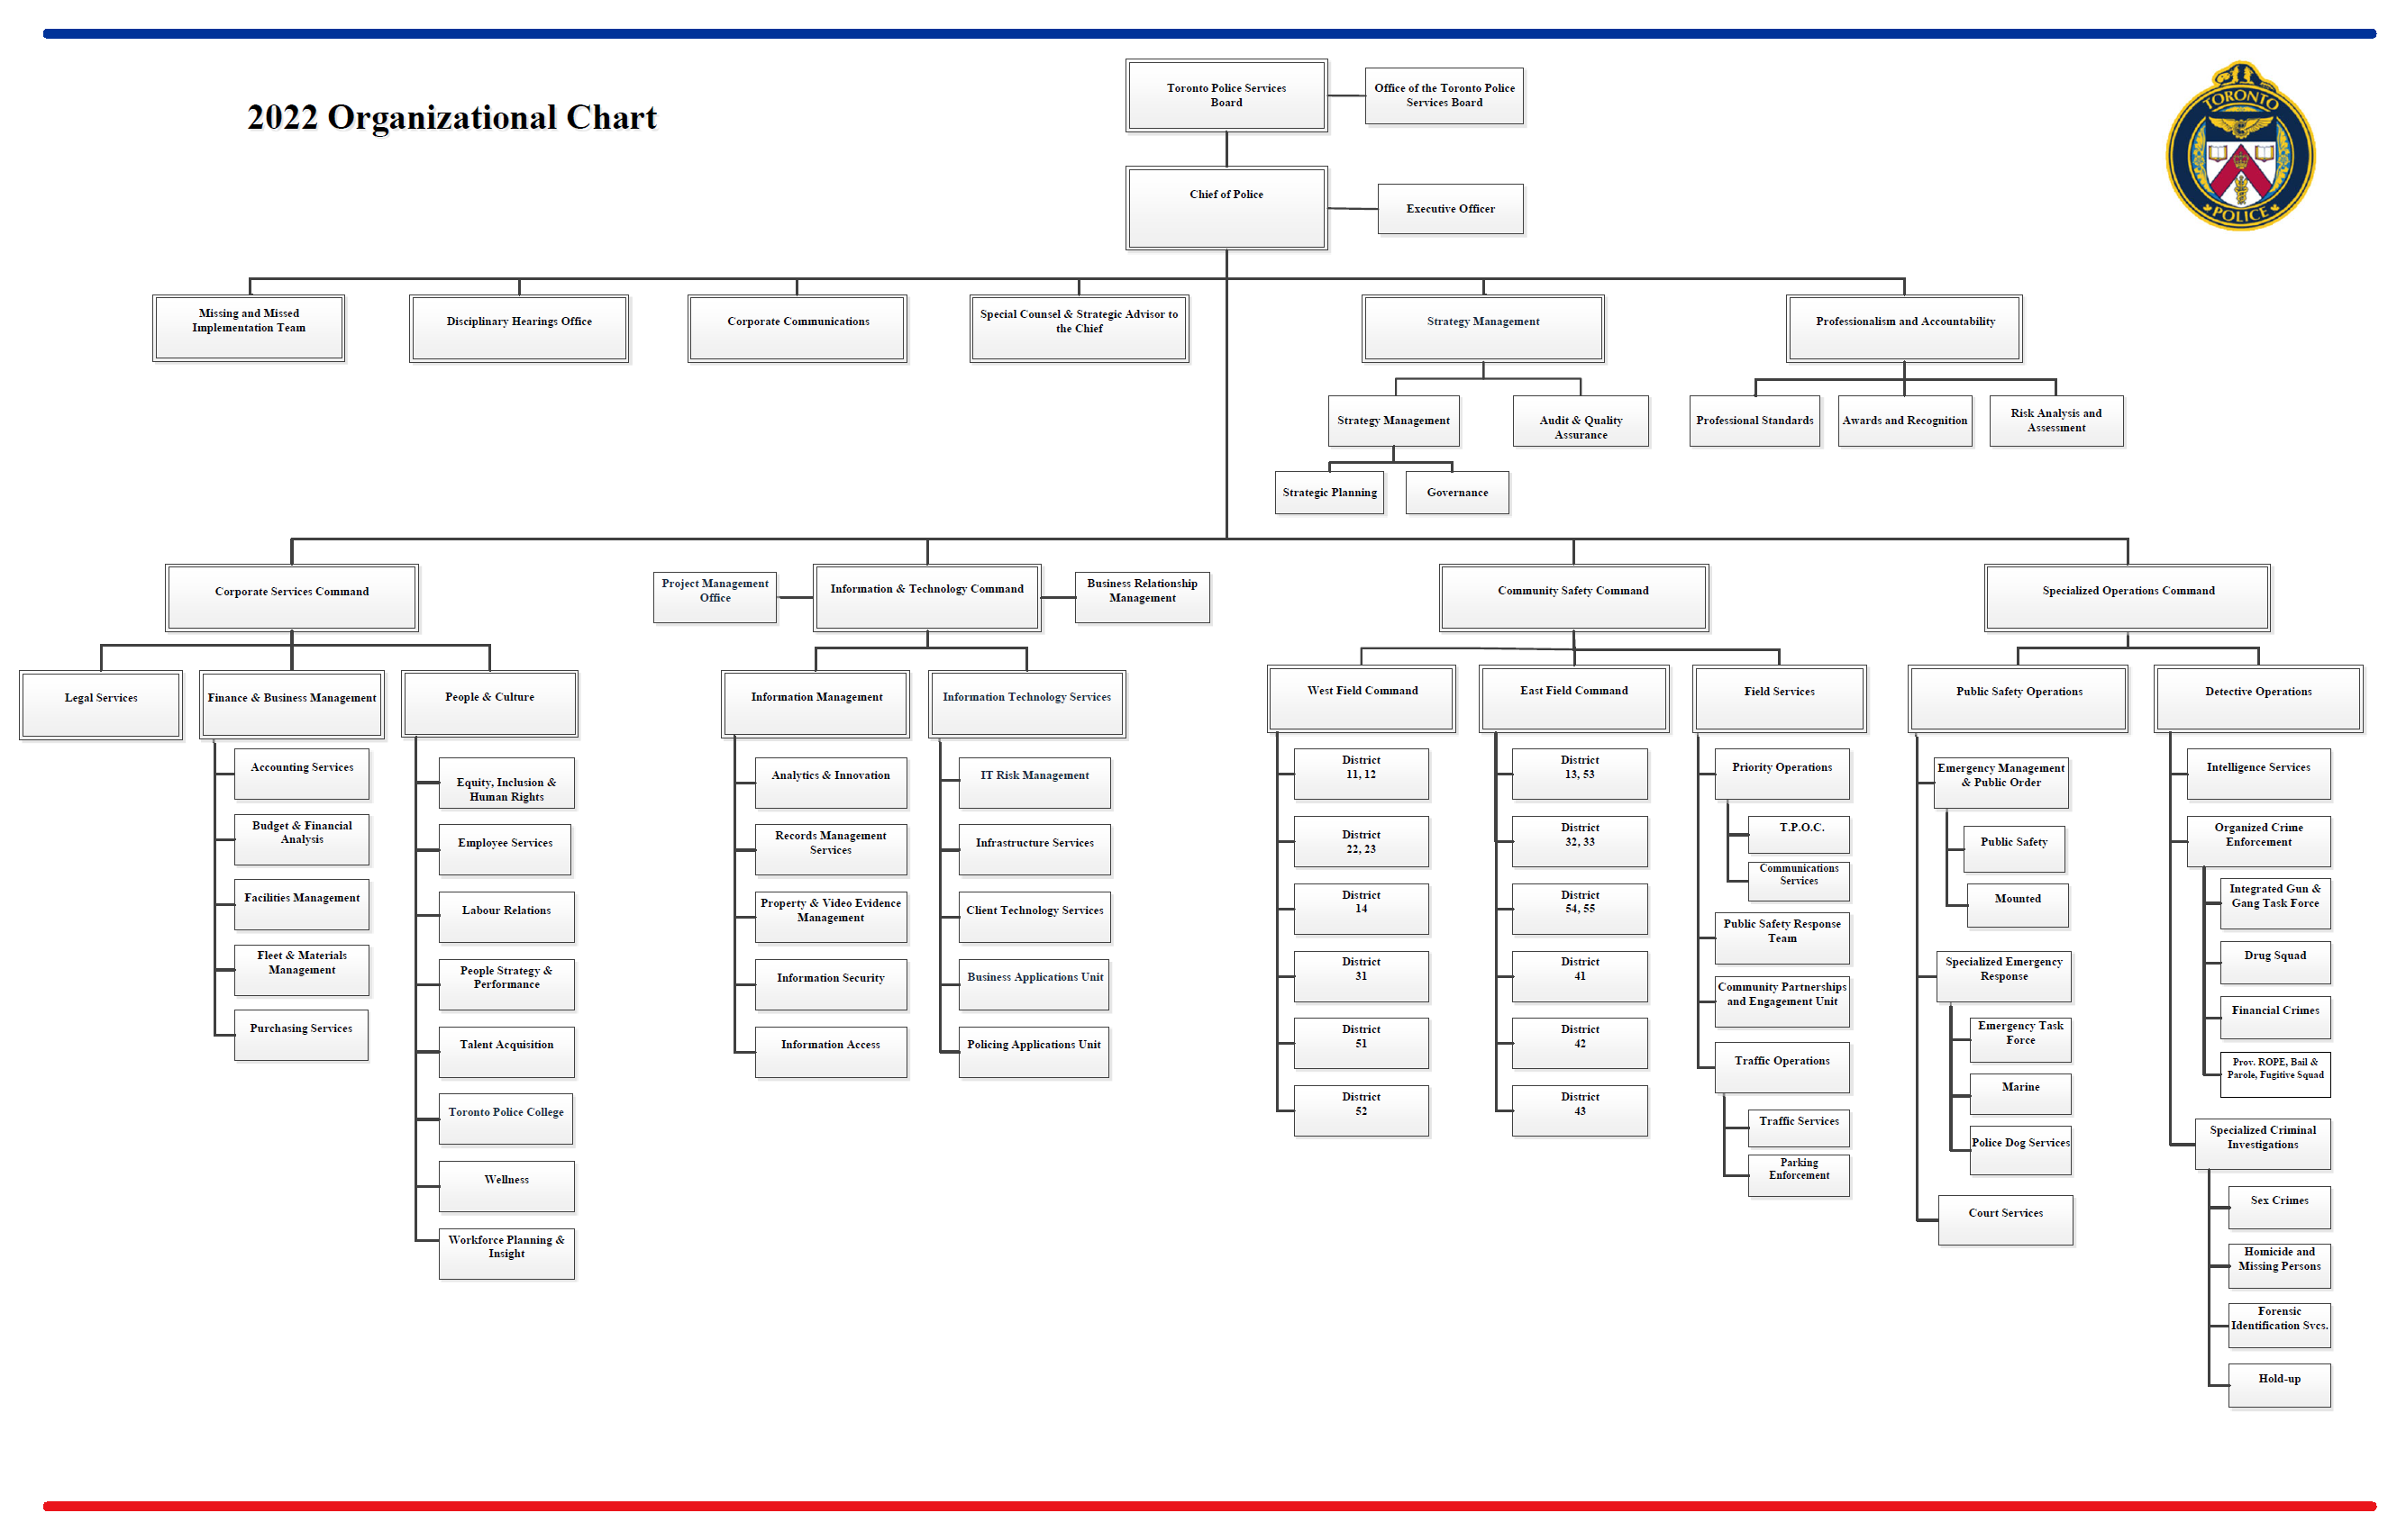

- Not Included

- Included

