OrgChart
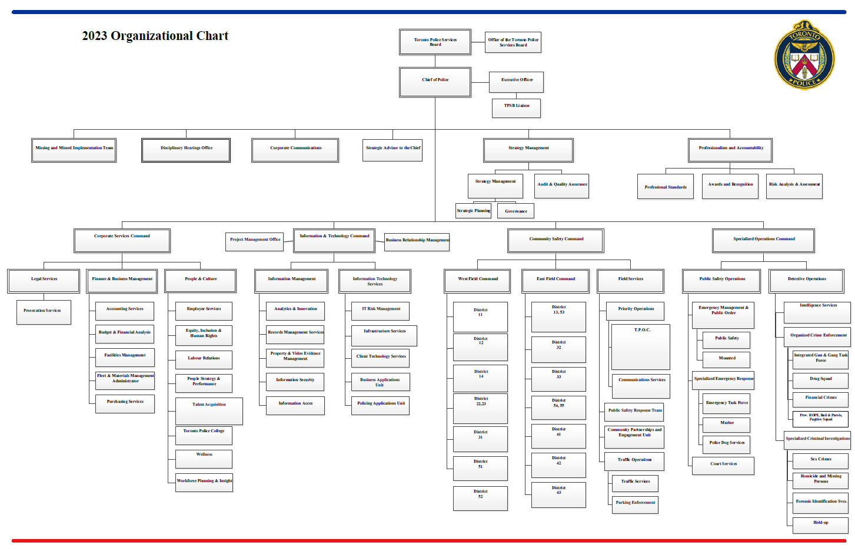

Blue shaded box identifies which section of the organizational chart that is reflected in this file.

Pink shaded box indentifies which section of the organizational chart that is not reflected in this file.

