OrgChart
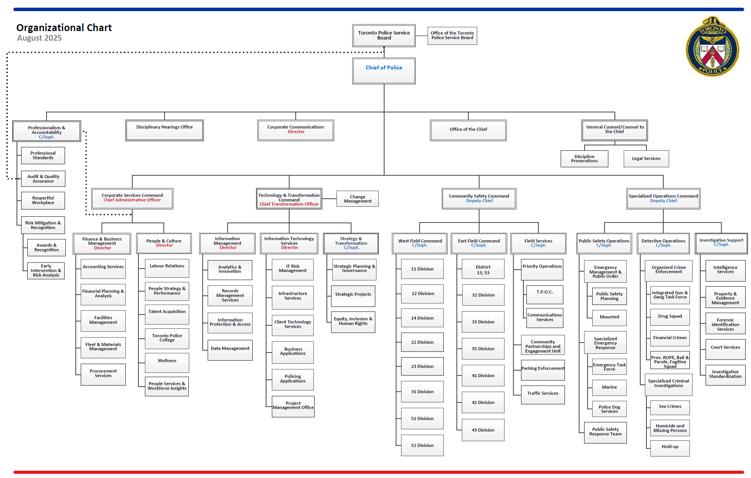

Shaded box identifies which section of the organizational chart is reflected in this file.

